Smart Connect-Incremental Vol
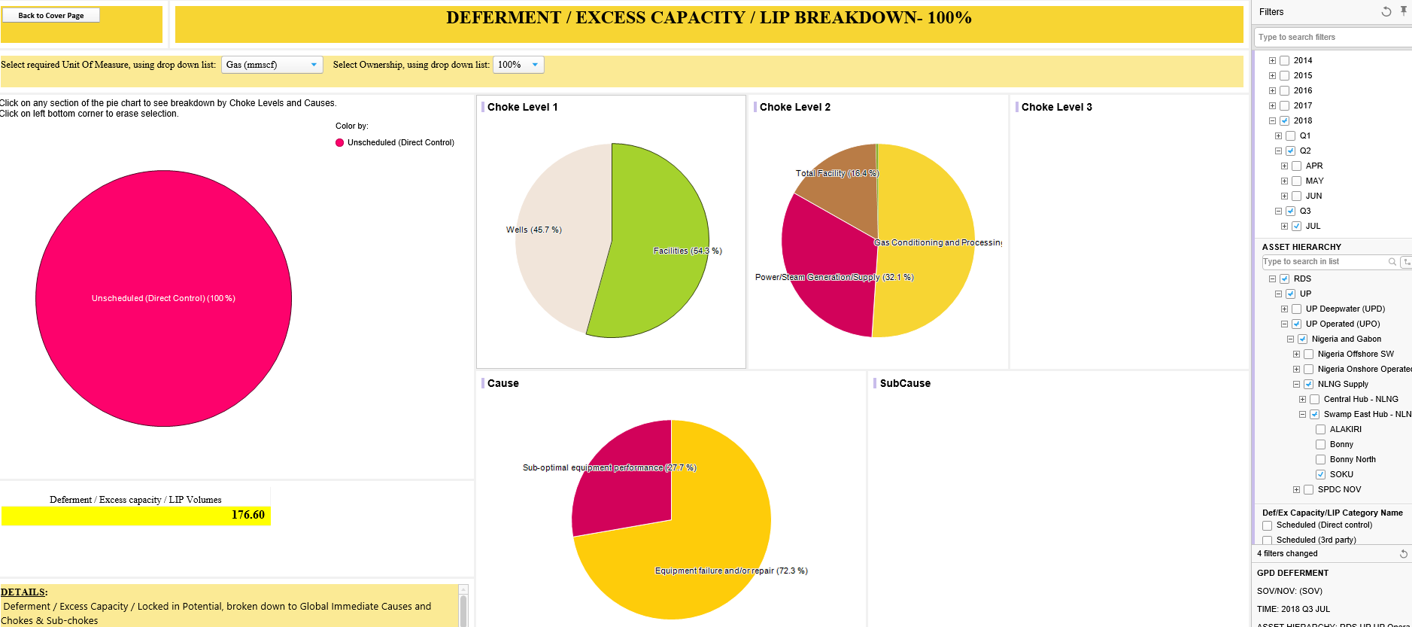
Historical Deferment Analysis
YEAR | COMP (MMSCF)
2014 | 1,406.16
2015 | 18,701.68
2016 | 819.00
2017 | 11,265.62
Average Annual | 6,438.49
Average Monthly | 537

Deferment due to Compressor Outage |  | Benefit Realized ( MMSCF)
2018 June | 0 | 537
2018 July | 79 | 458
2018 August | 144 | 393
2018 September | 247 | 290
2018 October | 265 | 272
August - October |  | 954

